28款产品
Jentoor 产品目录 / Product Catalog

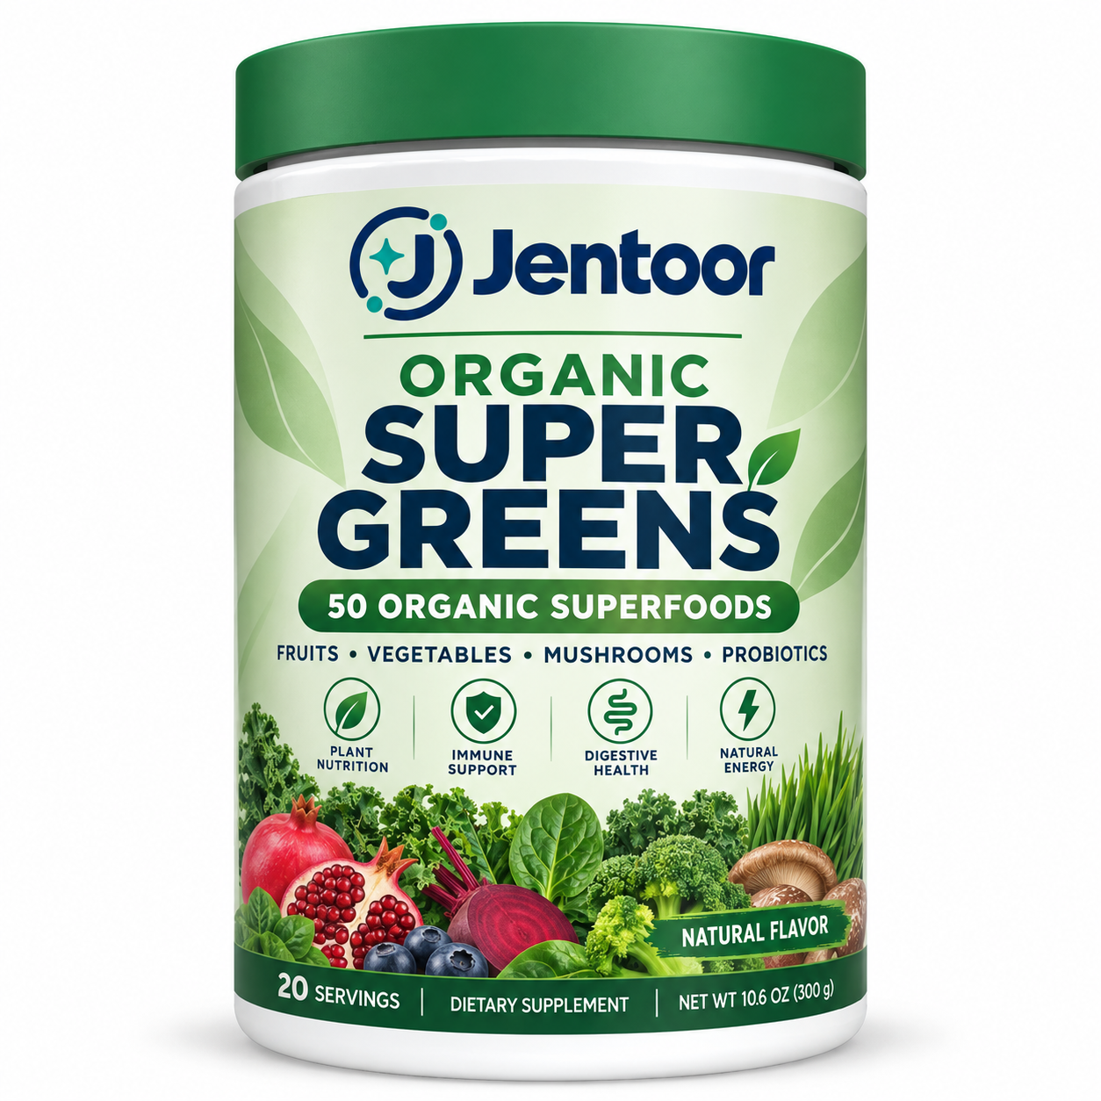
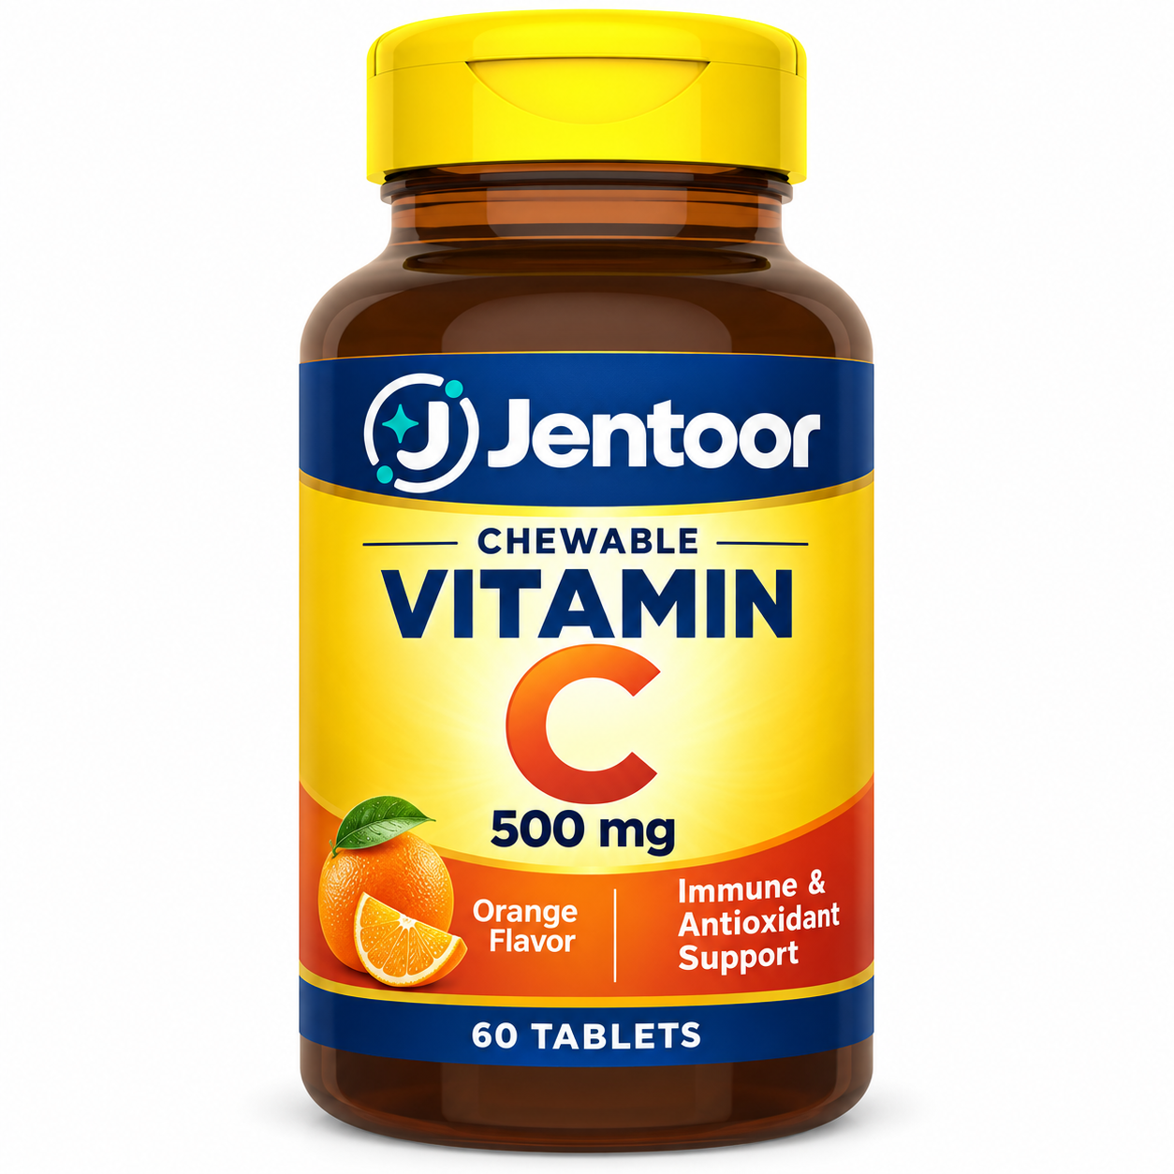
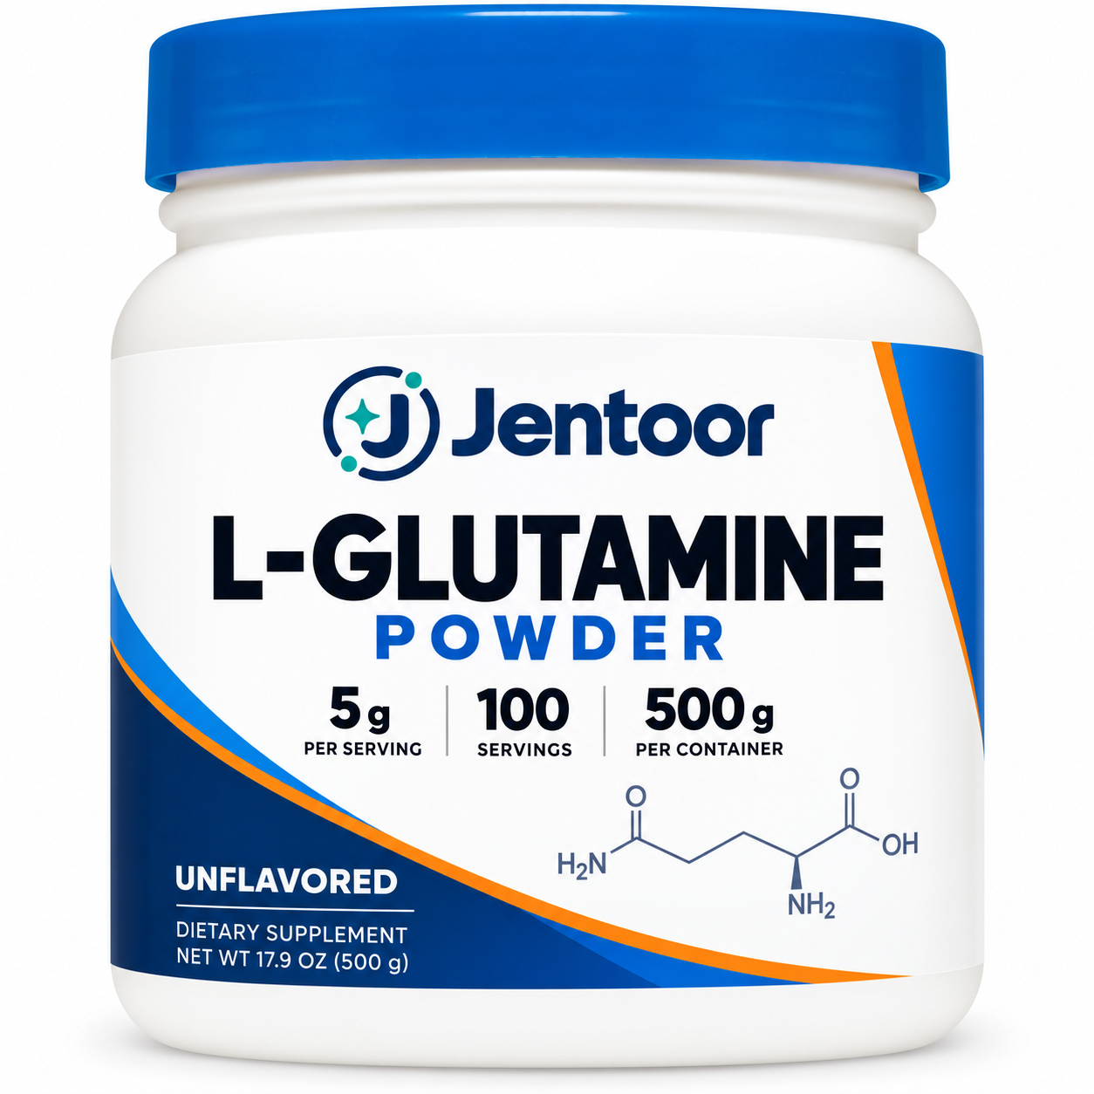

Organic Super Greens | Chewable Vitamin C 500 mg |  | L-Glutamine Powder
有机超级蔬菜粉 | 维生素C咀嚼片 |  | L-谷氨酰胺粉

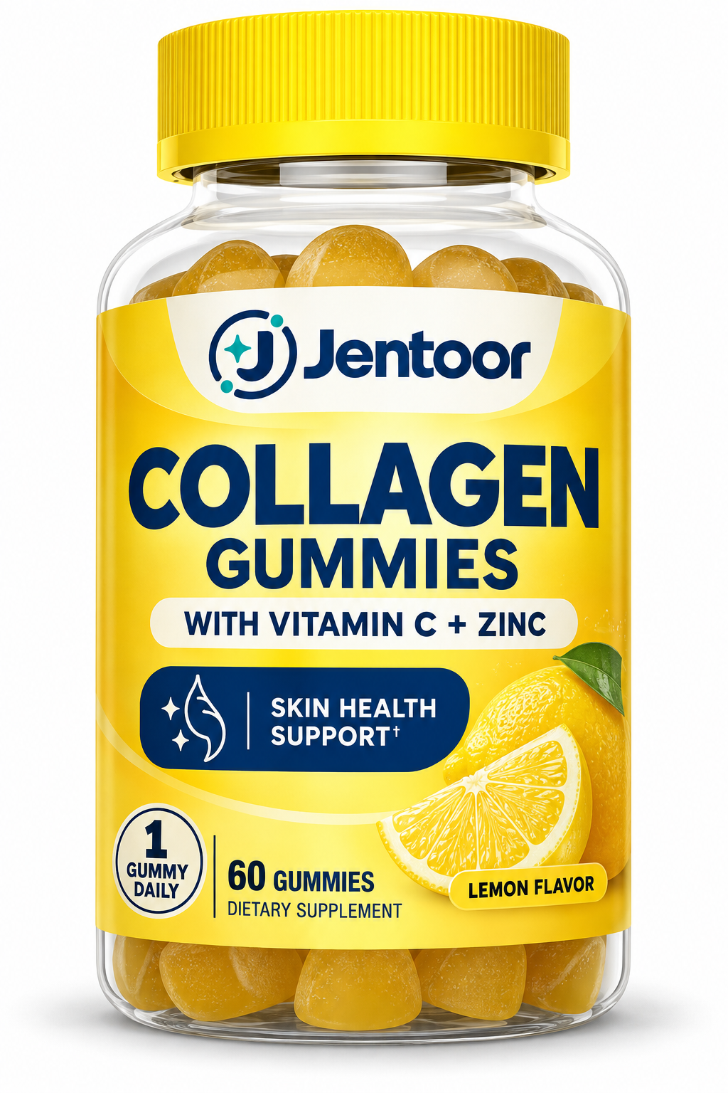
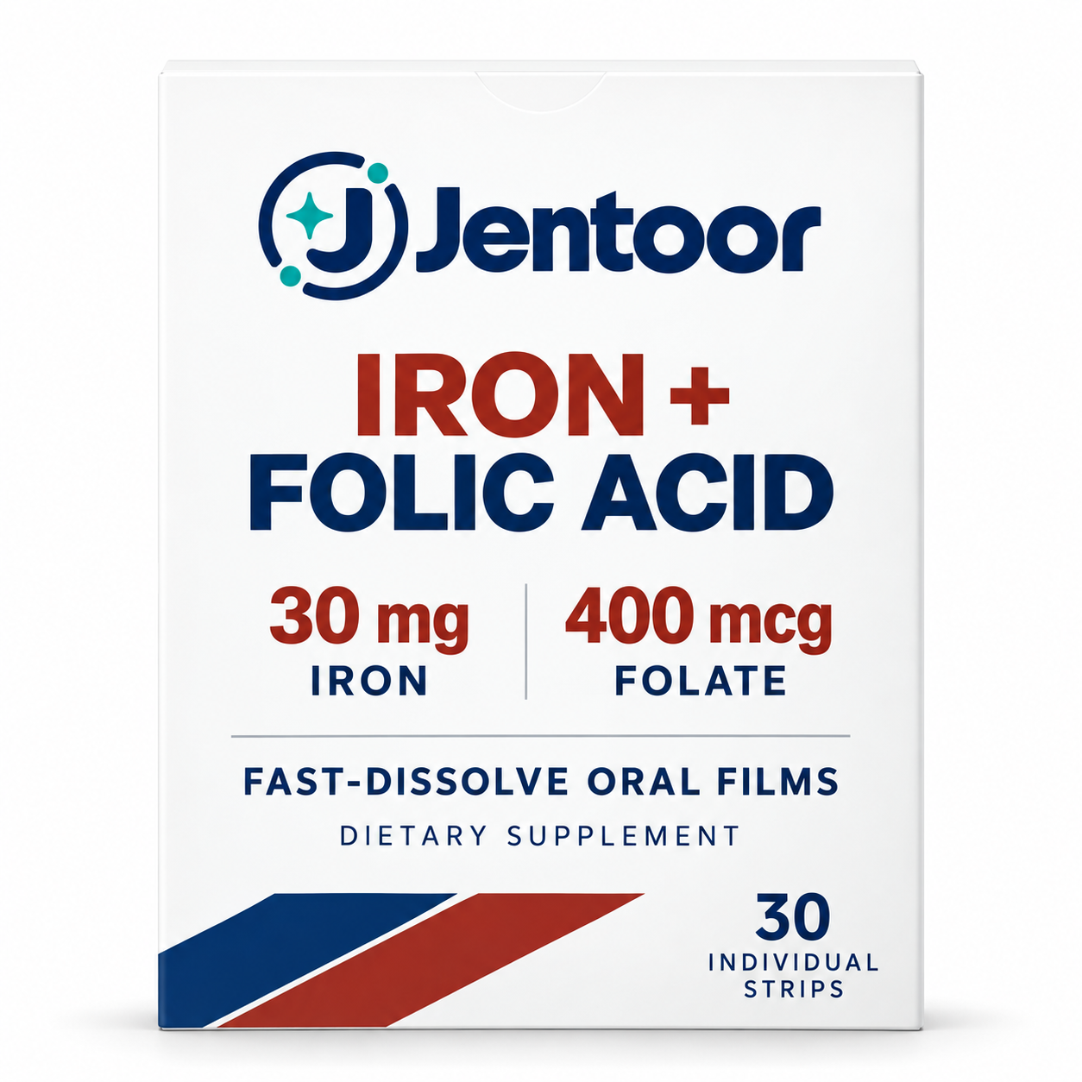
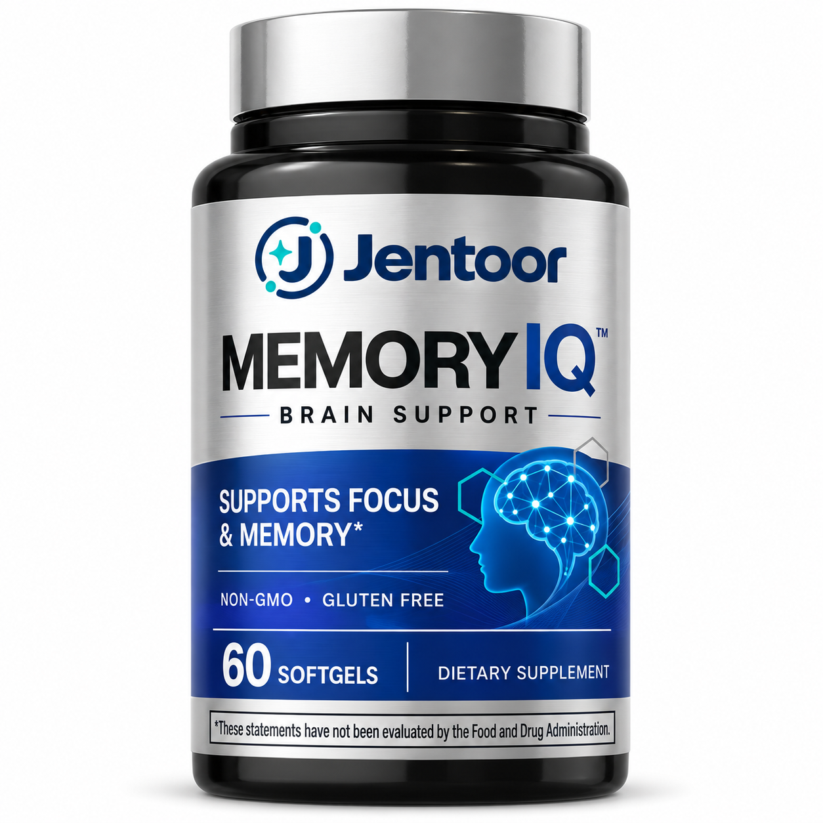
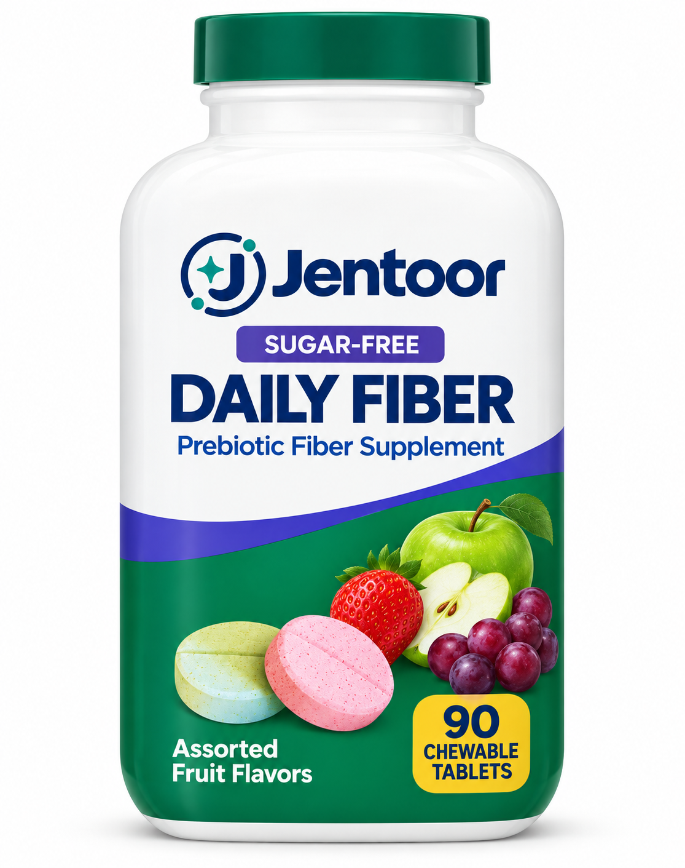

Collagen Gummies with Vitamin C + Zinc | Iron + Folic Acid Fast-Dissolve Oral Films | Memory IQ Brain Support | Sugar-Free Daily Fiber Chewable Tablets
维生素C锌胶原蛋白软糖 | 铁加叶酸速溶口腔膜 | Memory IQ脑部支持软胶囊 | 无糖每日膳食纤维咀嚼片

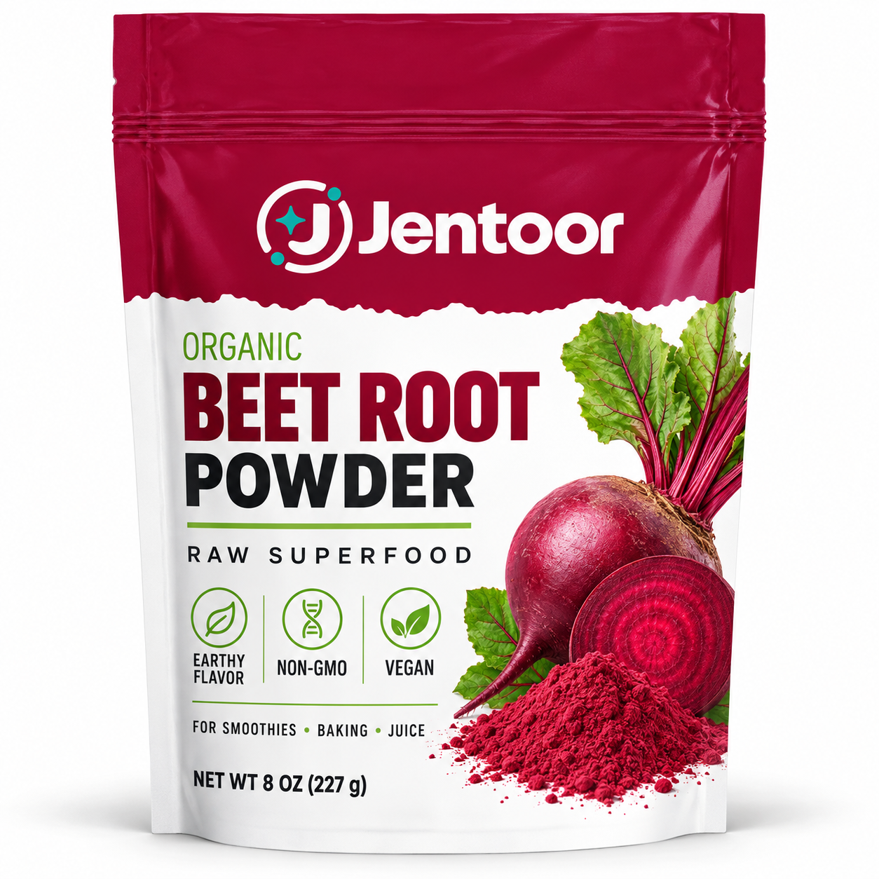
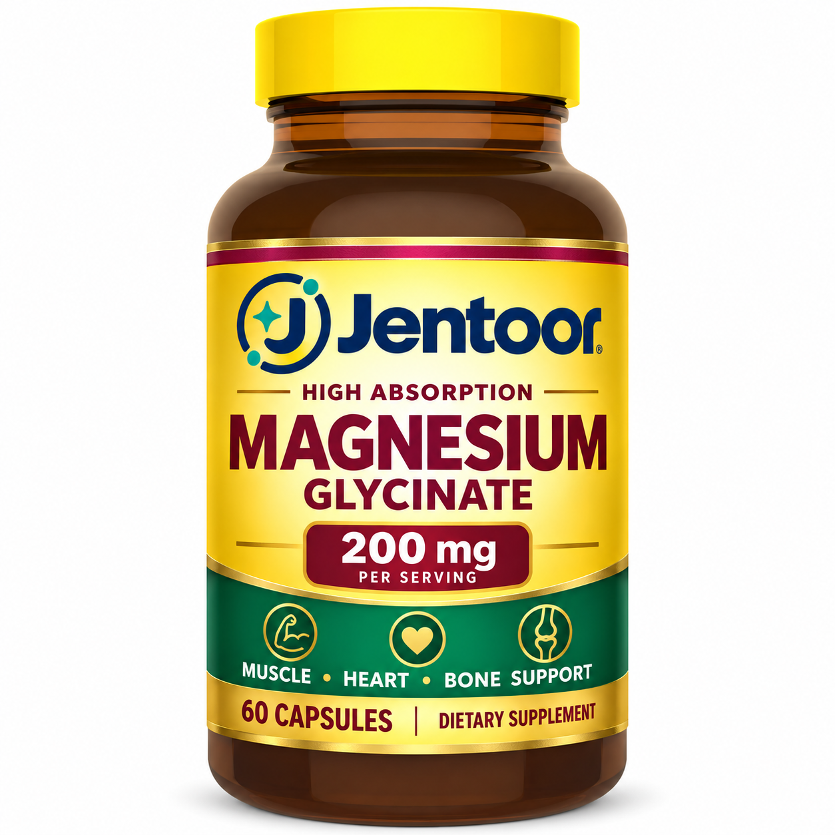
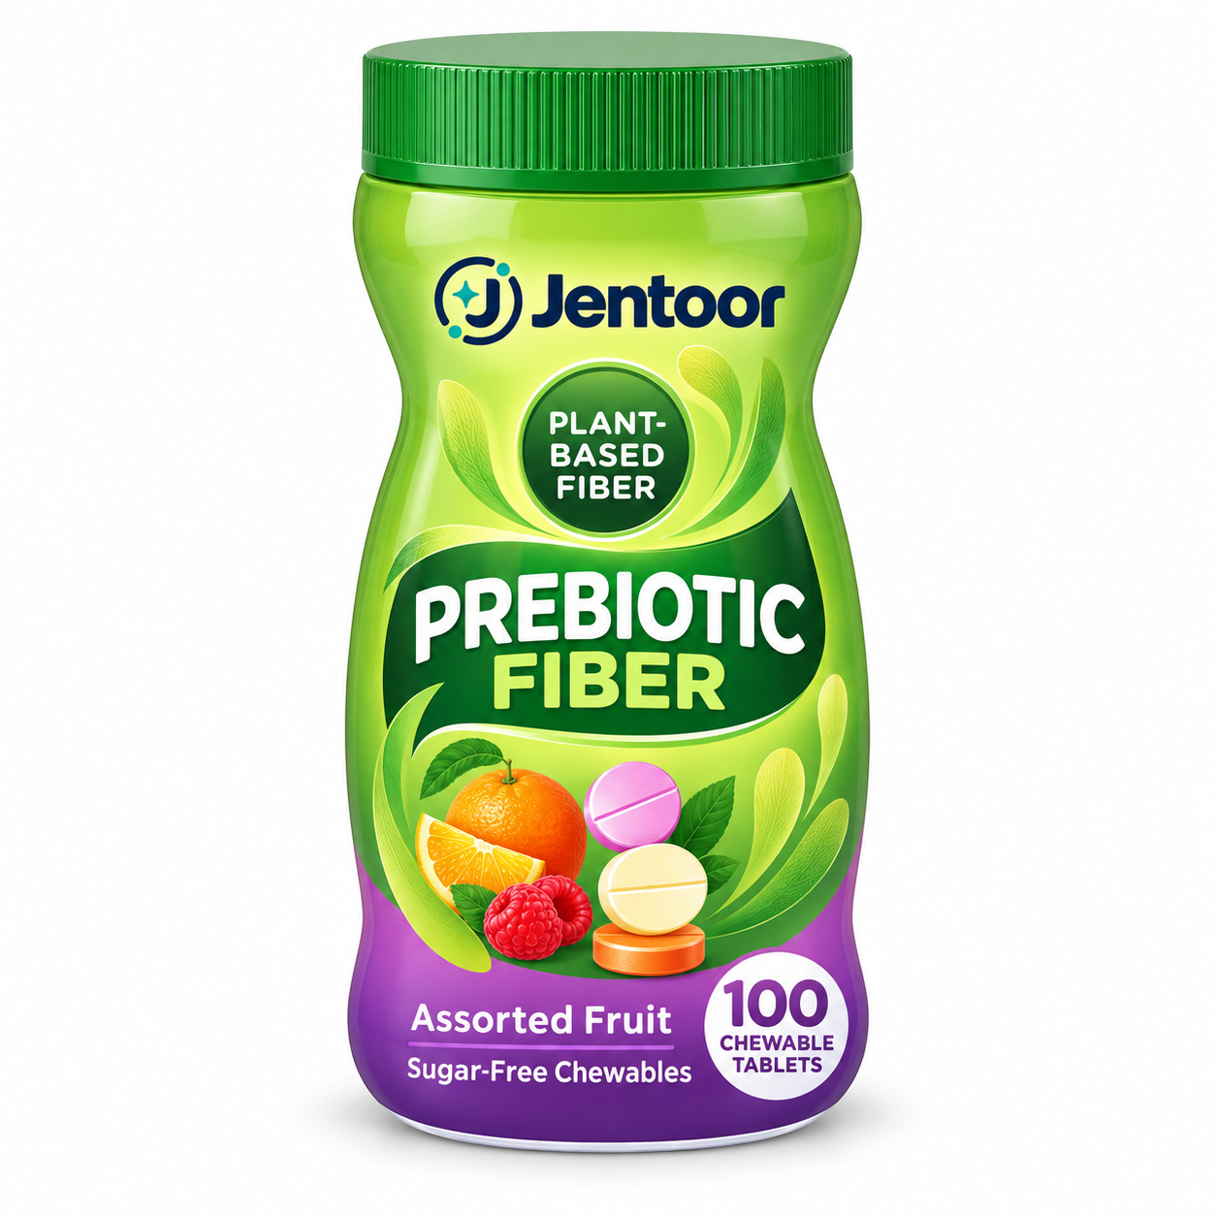

 | Organic Beet Root Powder | High Absorption Magnesium Glycinate 200 mg | Plant-Based Prebiotic Fiber Chewable Tablets
 | 有机甜菜根粉 | 高吸收甘氨酸镁胶囊 | 植物基益生元纤维咀嚼片

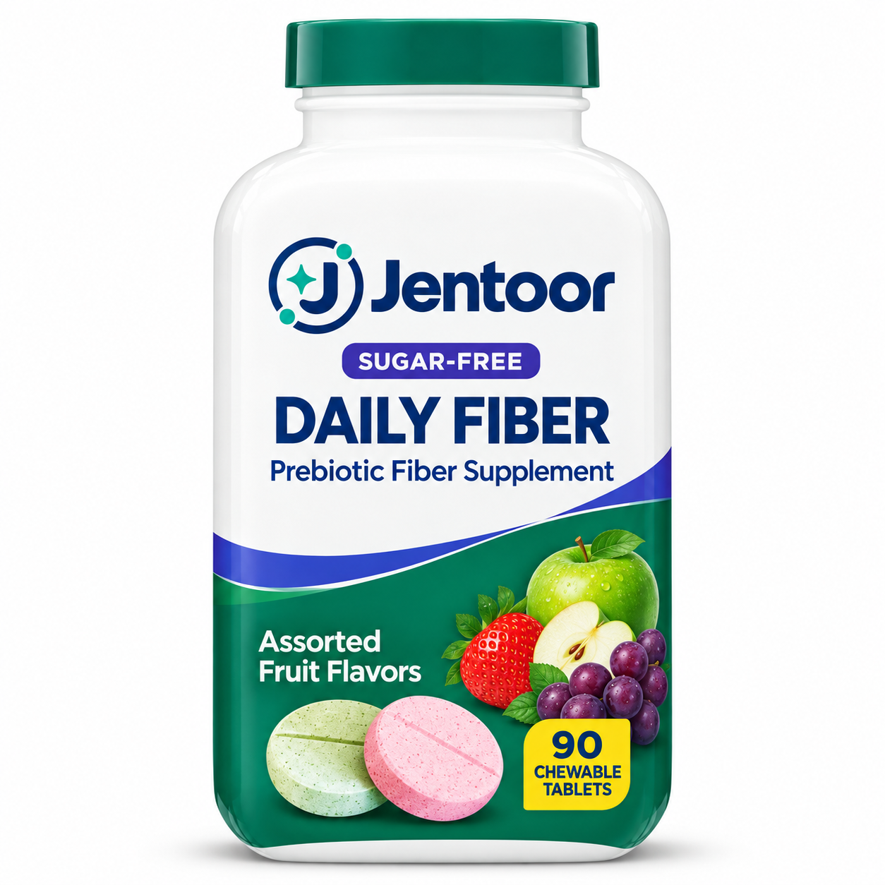
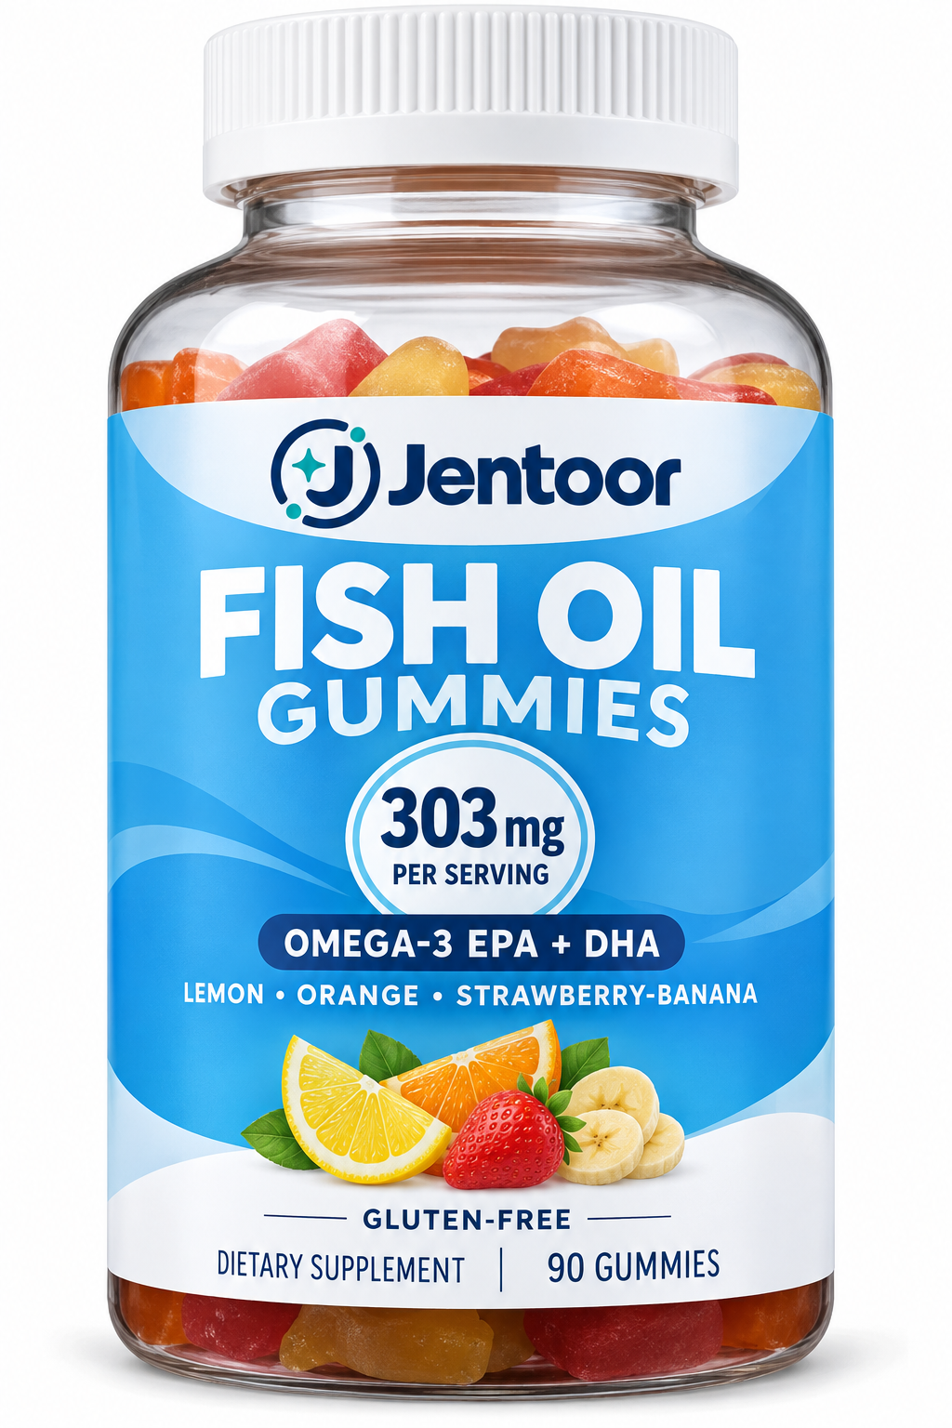
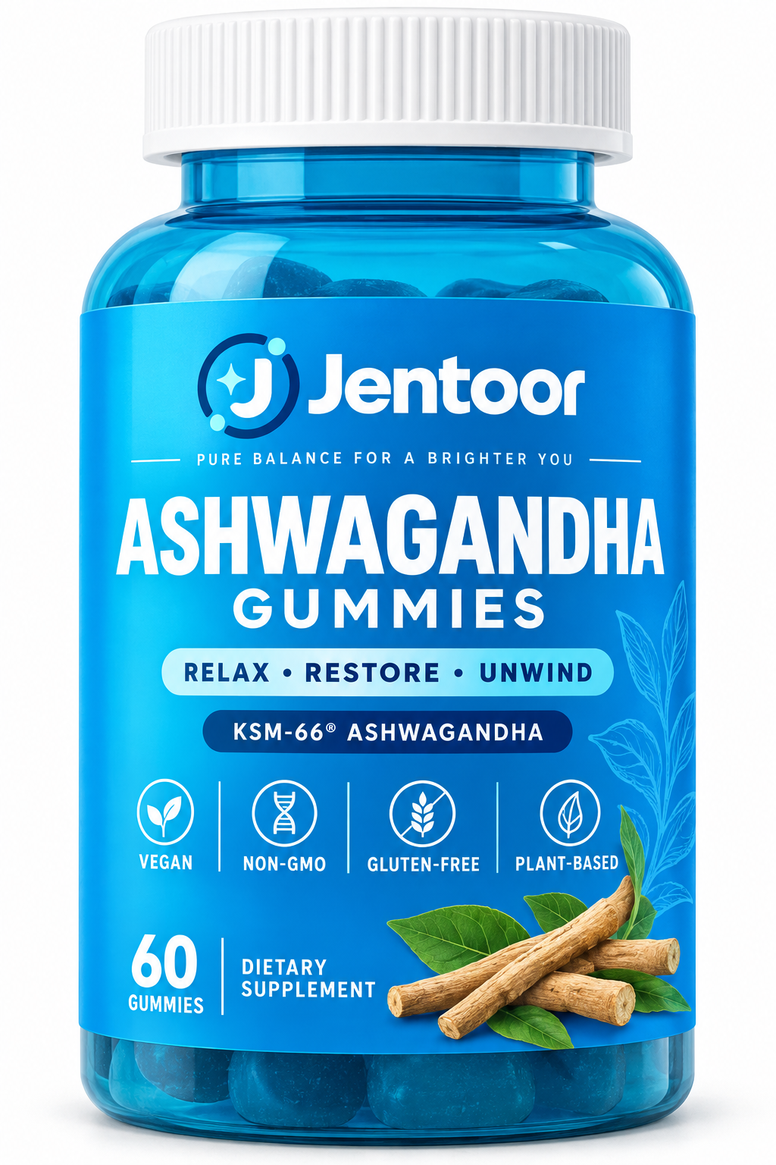

 | Sugar-Free Daily Fiber Chewable Tablets | Fish Oil Gummies Omega-3 EPA + DHA | Ashwagandha Gummies
 | 无糖每日膳食纤维咀嚼片 | Omega-3鱼油软糖 | 南非醉茄软糖

